ANOVA (router wise)
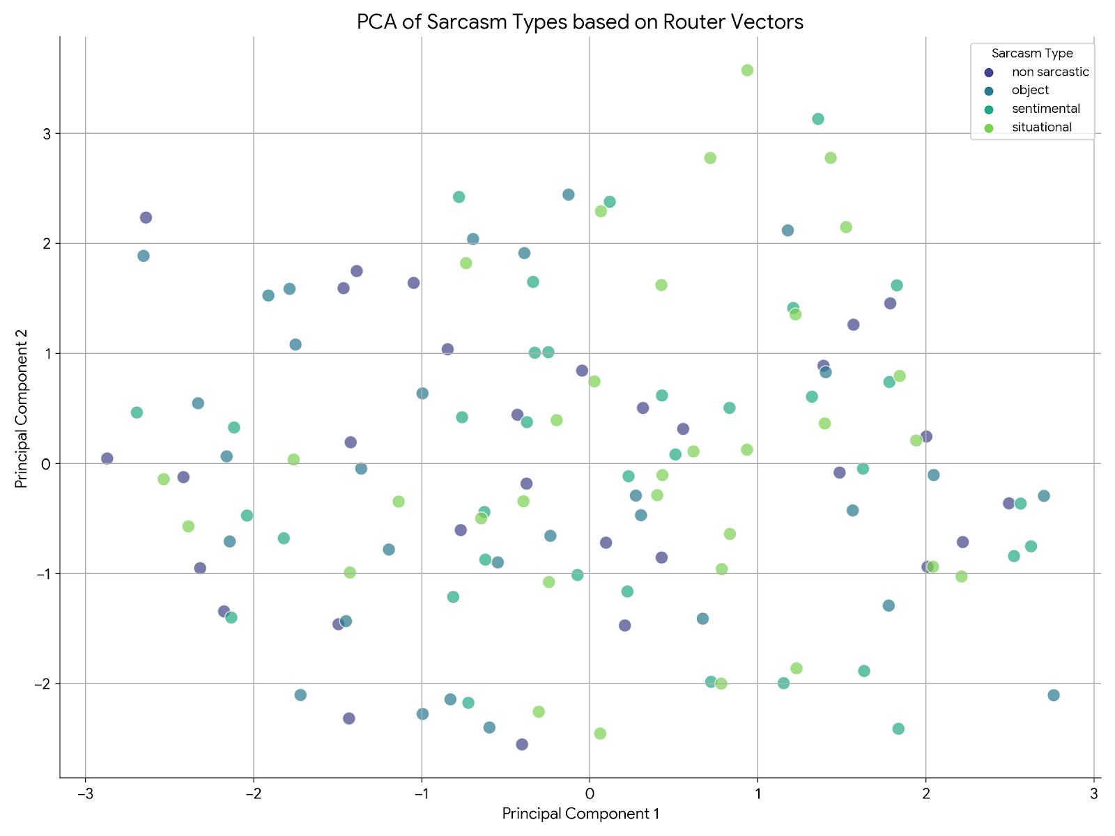
Router 1_0
Source | Sum of Squares | Degrees of Freedom | F-statistic | p-value
C(type) | 0.5786 | 3 | 2.2413 | 0.0868
Residual | 10.6697 | 124

Router 1_1
Source | Sum of Squares | Degrees of Freedom | F-statistic | p-value
C(type) | 0.5786 | 3 | 2.2413 | 0.0868
Residual | 10.6697 | 124

Router 2_0
Source | Sum of Squares | Degrees of Freedom | F-statistic | p-value
C(type) | 0.0472 | 3 | 0.1981 | 0.8975
Residual | 9.858 | 124

Router 2_1
Source | Sum of Squares | Degrees of Freedom | F-statistic | p-value
C(type) | 0.149 | 3 | 0.664 | 0.5757
Residual | 9.2743 | 124

Router 2_2
Source | Sum of Squares | Degrees of Freedom | F-statistic | p-value
C(type) | 0.0654 | 3 | 0.2918 | 0.8312
Residual | 9.2619 | 124

Router 3_0
Source | Sum of Squares | Degrees of Freedom | F-statistic | p-value
C(type) | 0.0007 | 3 | 0.0033 | 0.9997
Residual | 8.2269 | 124

Router 3_1
Source | Sum of Squares | Degrees of Freedom | F-statistic | p-value
C(type) | 0.0443 | 3 | 0.3023 | 0.8237
Residual | 6.0524 | 124

Router 3_2
Source | Sum of Squares | Degrees of Freedom | F-statistic | p-value
C(type) | 0.0419 | 3 | 0.256 | 0.857
Residual | 6.7652 | 124

Router 3_3
Source | Sum of Squares | Degrees of Freedom | F-statistic | p-value
C(type) | 0.0653 | 3 | 0.4515 | 0.7167
Residual | 5.9782 | 124

